Sheet1
Image | Description | Colors Available | Quanity | Sizes Available | RRP | Total RRP
 | Women PU Leather Triple-Strap Mary Jane Platform Pump with Stiletto Heel | 9 Colors-Red,White,Black,Blue,Red/Black,Grey,Beige,Animal Print | 150 | Uk 3 to 8 | £35.00 | £5,250.00
 | Patent Leather Peep-Toe Platform Pump with Stiletto Heel and Ankle Strap | 5 colors-red,Pink,Grey,Beige,Black | 130 | Uk 3 to 8 | £29.00 | £3,770.00
 | Studded Suede-Finish Cross-Strap Platform Pump with Stiletto Heel | 4 COLORS-Red,Black,Pink,Blue | 87 | Uk 3 to 8 | £35.00 | £3,045.00
 | Women Dual Color PU leather Heels | 4 Colors-Black,Grey,Red,Black/Red | 150 | Uk 3 to 8 | £35.00 | £5,250.00
 | Women Suede Strappy Mary jane heel | 5 Colors:Grey,Red,Beige,Navy,Black | 180 | Uk 3 to 8 | £35.00 | £6,300.00
 | Navy Lace Overlay Mary Jane Platform Pump with Patent Trim and Stiletto Heel | Colors:Navy,White,Black,Red,Ivory,Beige | 190 | Uk 3 to 8 | £29.00 | £5,510.00
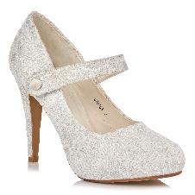 | White Floral Lace Mary Jane Pump and Stiletto Heel | Color:Ivory Lace | 21 | Uk 3 to 8 | £29.00 | £609.00
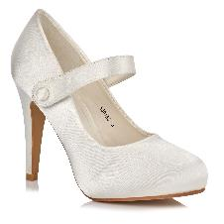 | Women Ivory Satin Mary Jane Pump and Stiletto Heel | Colors:Ivory Satin | 28 | Uk 3 to 8 | £29.00 | £812.00
 | Women Suede Peep toe Platform Pump with Stiletto Heel and Ankle Strap | Colors: Black,Navy,Beige,Red | 48 | Uk 3 to 8 | £29.00 | £1,392.00
 | Women Patent Multi-Strap Glady Ankle Strap Wedge Sandal | Colors: Black,Navy,Ivory,Silver | 94 | Uk 3 to 8 | £27.00 | £2,538.00
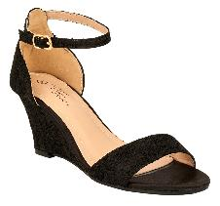 | Women Floral Lace Open-Toe Wedge Sandal with Ankle Strap | Colors:Ivory,Black,Navy | 38 | Uk 3 to 8 | £25.00 | £950.00
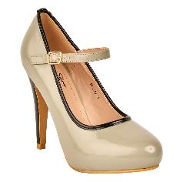 | Women Patent Mary Jane Platform Pump with Black Trim and Stiletto Heel | Colors:Red,Grey,Black | 55 | Uk 3 to 8 | £29.00 | £1,595.00
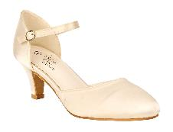 | Women Wedding satin heels in ivory,Navyand red in kitten heels with strap | Colors:Ivory,NAvy,Red | 30 | Uk 3 to 8 | £27.00 | £810.00
 | Glitter Triple-Strap Platform Pump with Studded Stiletto Heel | Colors:red,Silver,Black,Fucshia,Purple | 100 | Uk 3 to 8 | £35.00 | £3,500.00
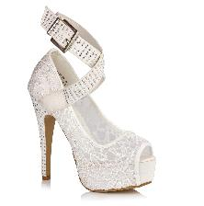 | Women Lace Peep-Toe Platform Pump with Rhinestone Studded Cross-Strap and Heel | Colors:White,Red | 21 | Uk 3 to 8 | £29.00 | £609.00
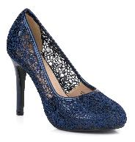 | Women Floral Lace Overlay Round-Toe Pump with Patent Trim and Stiletto Heel | Colors:NAvy,Black,White | 20 | Uk 3 to 8 | £29.00 | £580.00
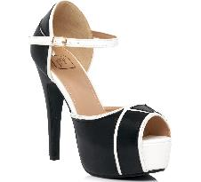 | Two-Tone Faux-Leather Peep-Toe Platform Pump with Contrast Piping and Stiletto Heel | Colors: Black,White,Red | 100 | Uk 3 to 8 | £29.00 | £2,900.00
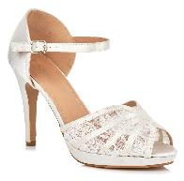 | Ivory Satin and Lace Pleated Peep-Toe Platform Sandal with Stiletto Heel | Color:Ivory | 30 | Uk 3 to 8 | £29.00 | £870.00
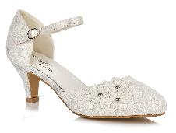 | Ivory Floral Lace With 3D Flower Mary Jane Pump with Satin Trim and Low Kitten Heel | Color:Ivory | 35 | Uk 3 to 8 | £27.00 | £945.00
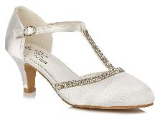 | White Satin T-Strap Pump with Rhinestone Trim and Low Kitten Heel | Color:Ivory | 20 | Uk 3 to 8 | £27.00 | £540.00
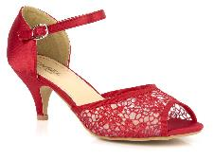 | Women Floral Lace Mary Jane Pump with Shimmer Trim and Low Kitten Heel | Colors:Red,Navy,Black | 60 | Uk 3 to 8 | £25.00 | £1,500.00
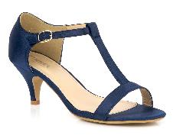 | Navy Blue Satin T-Strap Sandal with Low Kitten Heel | Colors:Navy Satin | 30 | Uk 3 to 8 | £27.00 | £810.00
 | Women Patent Multi-Strap Open-Toe Wedge Sandal with Double Ankle Buckle | Colors:red,Beige,Black,White,Navy | 81 | Uk 3 to 8 | £25.00 | £2,025.00
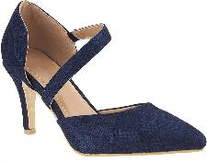 | Women Floral Lace Pointed-Toe Mary Jane Pump with Mid-Stiletto Heel | Colors: Navy,Ivory | 90 | Uk 3 to 8 | £29.00 | £2,610.00
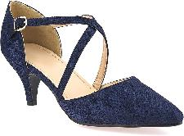 | Women Floral Lace Pointed-Toe Cross Strap Mary Jane Pump with Mid-Stiletto Heel | Colors : Navy ,IVory | 90 | Uk 3 to 8 | £29.00 | £2,610.00
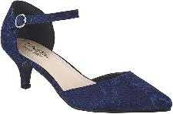 | Women Floral Lace Pointed Ankle Strap Mary jane Kitten Heel | Colors :Navy Lace | 50 | Uk 3 to 8 | £29.00 | £1,450.00
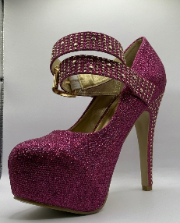 | Women Shimmer Glitter Platform Pump with Double Studded Ankle Straps and Stiletto Heel | Colors:Purple,Red,Gold,SilverFuchsia | 50 | Uk 3 to 8 | £35.00 | £1,750.00
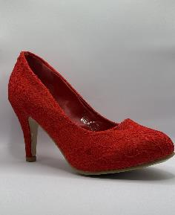 | Red Floral Lace Round-Toe Pump with Mid-Stiletto Heel | Colors:Red | 32 | Uk 3 to 8 | £29.00 | £928.00
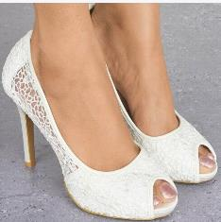 | Women Floral Lace Overlay Round-Toe Pump with High Stiletto Heel | Colors:Ivory.Black.Red | 60 | Uk 3 to 8 | £27.00 | £1,620.00
 | Women Satin Strappy Wedge Sandal with Rhinestone Embellishments | Colors:Navy,Silver,Fuschia,Black,Red,Purple,Ivory | 200 | Uk 3 to 8 | £30.00 | £6,000.00
 | Women Matte Faux-Leather Square-Toe Sandal with Criss-Cross Straps and Block Heel | Colors:Red,White,Beige | 30 | Uk 3 to 8 | £25.00 | £750.00
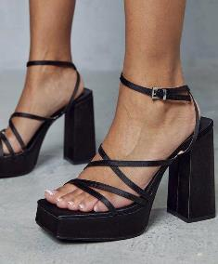 | Women Satin Multi-Strap Platform Sandal with Chunky Block Heel | Colors:Black,White,Black Suede,Black and White Leaoperd Print | 70 | Uk 3 to 8 | £25.00 | £1,750.00
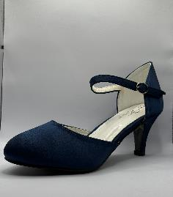 | Navy Blue Satin Round-Toe Pump with Low Kitten Heel and Ankle Strap | Colors:Navy Satin | 46 | Uk 3 to 8 | £27.00 | £1,242.00
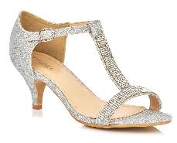 | Silver Diamante T-Bar Kitten Heel Sandals |  | 25 | Uk 3 to 8 | £29.00 | £725.00
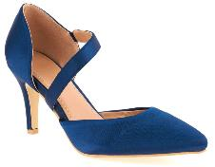 | Women Navy Satin Heel for Special Occasions | Colors:Navy | 79 | Uk 3 to 8 | £29.00 | £2,291.00
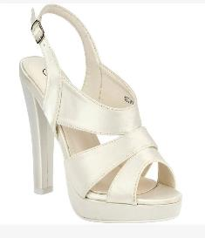 | Women Ivory Satin Classic Wedding heels | Colors: Ivory | 35 | Uk 3 to 8 | £25.00 | £875.00
 | Women Rhinestone-Encrusted Ankle-Strap Sandal with Low Kitten Heel | Colors:Red,Slver,Black,Gold | 38 | Uk 3 to 8 | £35.00 | £1,330.00
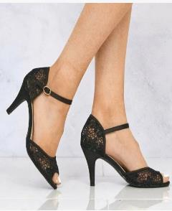 | Women Floral Lace Mary Jane Pump Low Kitten Heel |  | 80 | Uk 3 to 8 | £27.00 | £2,160.00
 | Leather Minimalist Barely-There Sandal with Slim Ankle Strap and Stiletto Heel | Colors:green,pink,blue,Orange | 36 | Uk 3 to 8 | £19.00 | £684.00
 |  |  | 2709 |  |  | £80,885.00

